Sheet1
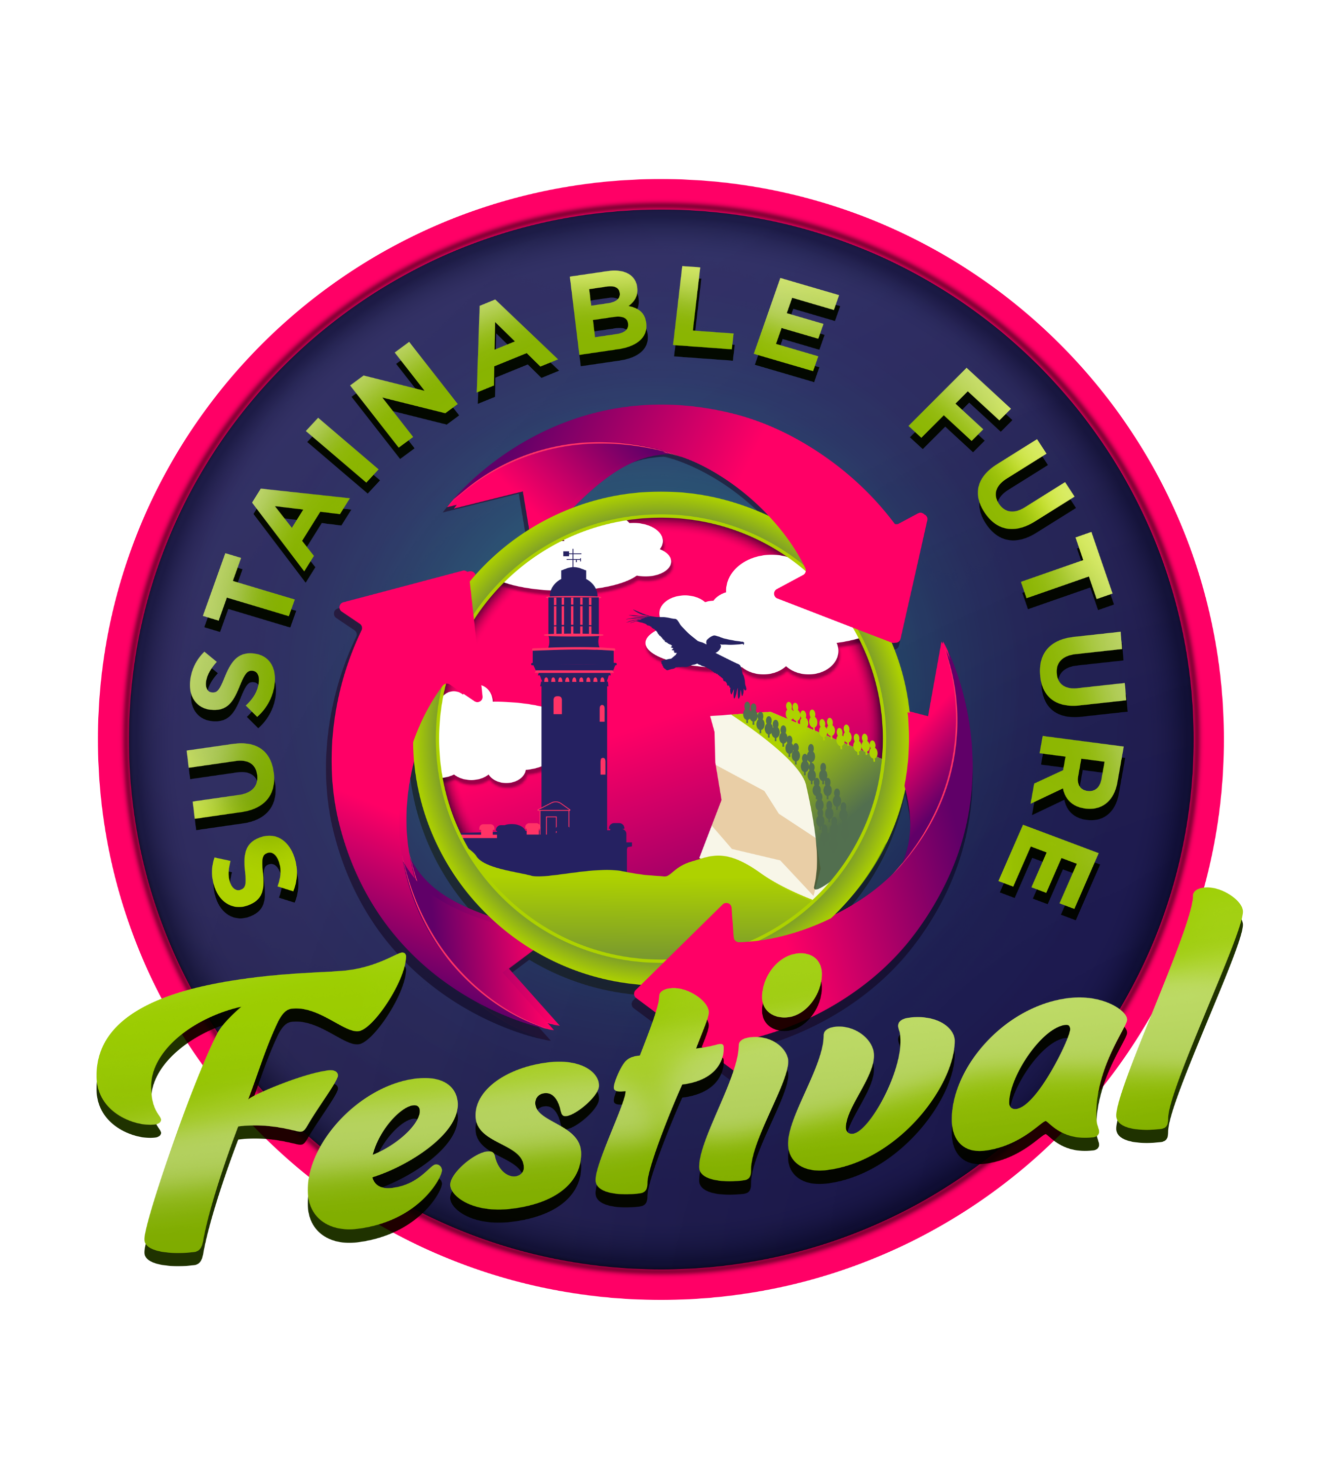 | Sustainable Future Festival. 14 November 2026

Food Menu Item | Container Size Required | Max Quantity Sold | Beverage Menu Item | 250ml Cup | Max Quantity Sold | 450ml Cup | Max Quantity | Other cups/containers required | Notes for event organisers
eg. Burger & chips/dumplings | eg. 140x55x85mm tray | #'s at previous well attended event. This will help us know how many containers to have ready for you | eg. Smoothie/Beer/Kombucha | eg how many products do you sell that require a 250ml cup | #'s at previous well attended event | eg how many products do you sell that require a 450ml cup | #'s sold at previous events | Do you have a menu item that wont fit in these cups/containers? Please provide details | Anything additional we should know

